Q.2
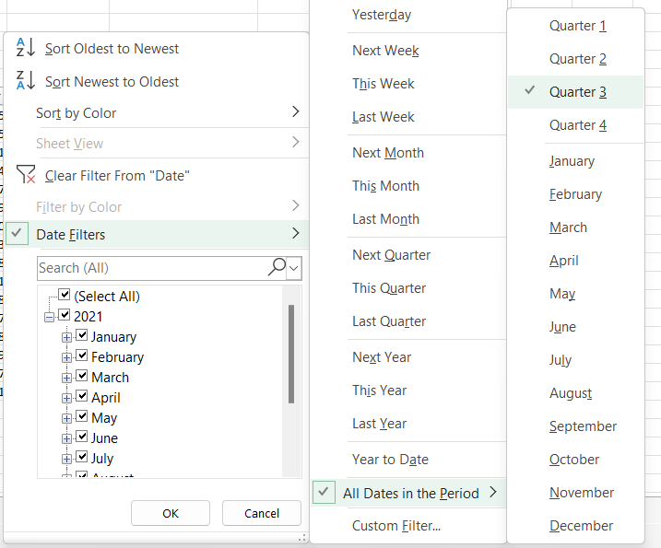

ID | Segment | Country | Date | Profit
5 | Government | France | 2021-09-01 | 135801
25 | Channel Partners | France | 2021-09-01 | 60921
31 | Channel Partners | France | 2021-08-01 | 87532
34 | Midmarket | France | 2021-07-01 | 57399
57 | Government | France | 2021-07-01 | 96209
99 | Midmarket | France | 2021-09-01 | 147727
100 | Enterprise | France | 2021-08-01 | 109849
113 | Enterprise | France | 2021-07-01 | 26819
138 | Government | France | 2021-07-01 | 44394
151 | Government | France | 2021-07-01 | 173616
168 | Small Business | France | 2021-07-01 | 185869
207 | Channel Partners | France | 2021-09-01 | 258051
248 | Government | France | 2021-07-01 | 89802
249 | Government | France | 2021-08-01 | 23250
257 | Government | France | 2021-08-01 | 7382
311 | Midmarket | France | 2021-07-01 | 176652

Q.3
Sort as per conditions and Copy paste the results, by adding a new sheet in this file. Plus Paste Screenshots of Advanced Filter(wherever necessary)
1. Filter all the Country name starts with letter "F"
2. Filter the data in Quarter 3
3. Extract Top 5 Profit amount
4. Extract Unique List of Segment and Country
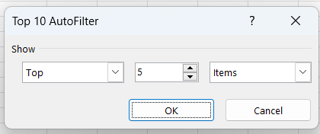
ID | Segment | Country | Date | Profit
99 | Midmarket | France | 2021-09-01 | 147727
151 | Government | France | 2021-07-01 | 173616
168 | Small Business | France | 2021-07-01 | 185869
207 | Channel Partners | France | 2021-09-01 | 258051
311 | Midmarket | France | 2021-07-01 | 176652

Q.4
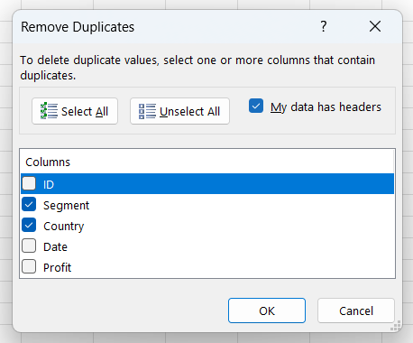
ID | Segment | Country | Date | Profit
99 | Midmarket | France | 2021-09-01 | 147727
151 | Government | France | 2021-07-01 | 173616
168 | Small Business | France | 2021-07-01 | 185869
207 | Channel Partners | France | 2021-09-01 | 258051

